Player Portraits
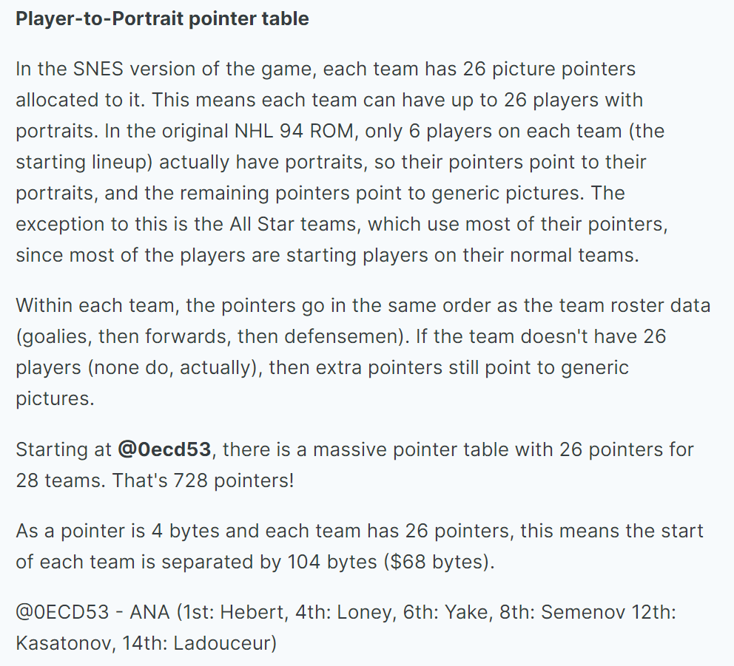
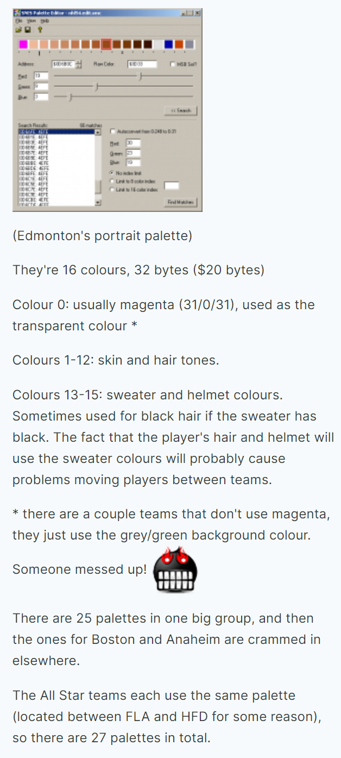
PLAYER PORTRAIT CARDS
 | Headerless ROM |  | ROM With Header
Team | Offset Start | Offset End | Offset Start | Offset End |  | Headerless ROM |  | ROM With Header |  | EXAMPLE PALLETTE
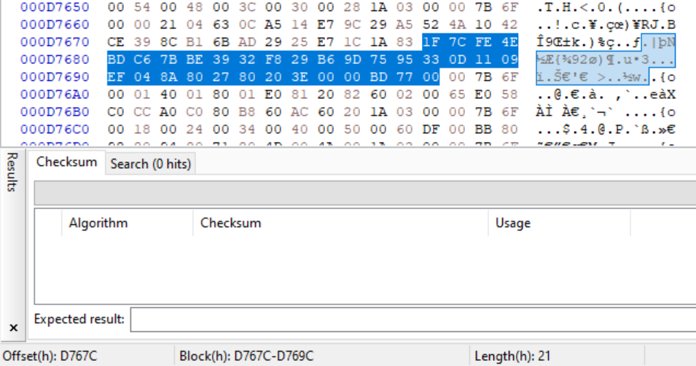
ANA | 0ECD53 | ECDBB | ECF53 | ECFBB | Team | Offset Start | Offset End | Offset Start | Offset End
BOS | 0ECDBB | ECE23 | ECFBB | ED023 | ANA | 0D747C | D749C | D767C | D769C
BUF | 0ECE23 | ECE8B | ED023 | ED08B | BOS | 02FFDF | 2FFFF | 301DF | 301FF
CGY | 0ECE8B | ECEF3 | ED08B | ED0F3 | BUF | 0D6A5C | D6A7C | D6C5C | D6C7C
CHI | 0ECEF3 | ECF5B | ED0F3 | ED15B | CGY | 0D6A7C | D6A9C | D6C7C | D6C9C
DAL | 0ECF5B | ECFC3 | ED15B | ED1C3 | CHI | 0D6A9C | D6ABC | D6C9C | D6CBC
DET | 0ECFC3 | ED02B | ED1C3 | ED22B | DAL | 0D6ABC | D6ADC | D6CBC | D6CDC
EDM | 0ED02B | ED093 | ED22B | ED293 | DET | 0D6ADC | D6AFC | D6CDC | D6CFC
FLA | 0ED093 | ED0FB | ED293 | ED2FB | EDM | 0D6AFC | D6B1C | D6CFC | D6D1C
HFD | 0ED0FB | ED163 | ED2FB | ED363 | FLA | 0D6B1C | D6B3C | D6D1C | D6D3C
L.A | 0ED163 | ED1CB | ED363 | ED3CB | HFD | 0D6B5C | D6B7C | D6D5C | D6D7C
MTL | 0ED1CB | ED233 | ED3CB | ED433 | L.A | 0D6B7C | D6B9C | D6D7C | D6D9C
NJ | 0ED233 | ED29B | ED433 | ED49B | MTL | 0D6B9C | D6BBC | D6D9C | D6DBC
NYI | 0ED29B | ED303 | ED49B | ED503 | NJ | 0D6BBC | D6BDC | D6DBC | D6DDC
NYR | 0ED303 | ED36B | ED503 | ED56B | NYI | 0D6BDC | D6BFC | D6DDC | D6DFC
OTT | 0ED36B | ED3D3 | ED56B | ED5D3 | NYR | 0D6BFC | D6C1C | D6DFC | D6E1C
PHI | 0ED3D3 | ED43B | ED5D3 | ED63B | OTT | 0D6C1C | D6C3C | D6E1C | D6E3C
PIT | 0ED43B | ED4A3 | ED63B | ED6A3 | PHI | 0D6C3C | D6C5C | D6E3C | D6E5C
QUE | 0ED4A3 | ED50B | ED6A3 | ED70B | PIT | 0D6C5C | D6C7C | D6E5C | D6E7C
SJ | 0ED50B | ED573 | ED70B | ED773 | QUE | 0D6C7C | D6C9C | D6E7C | D6E9C
STL | 0ED573 | ED5DB | ED773 | ED7DB | SJ | 0D6C9C | D6CBC | D6E9C | D6EBC
T.B | 0ED5DB | ED643 | ED7DB | ED843 | STL | 0D6CBC | D6CDC | D6EBC | D6EDC
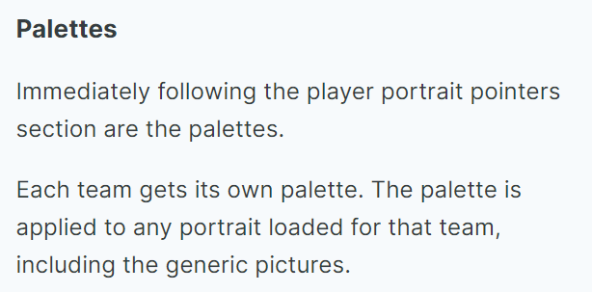
TOR | 0ED643 | ED6AB | ED843 | ED8AB | T.B | 0D6CDC | D6CFC | D6EDC | D6EFC | PALETTE POINTER TABLE
VAN | 0ED6AB | ED713 | ED8AB | ED913 | TOR | 0D6CFC | D6D1C | D6EFC | D6F1C
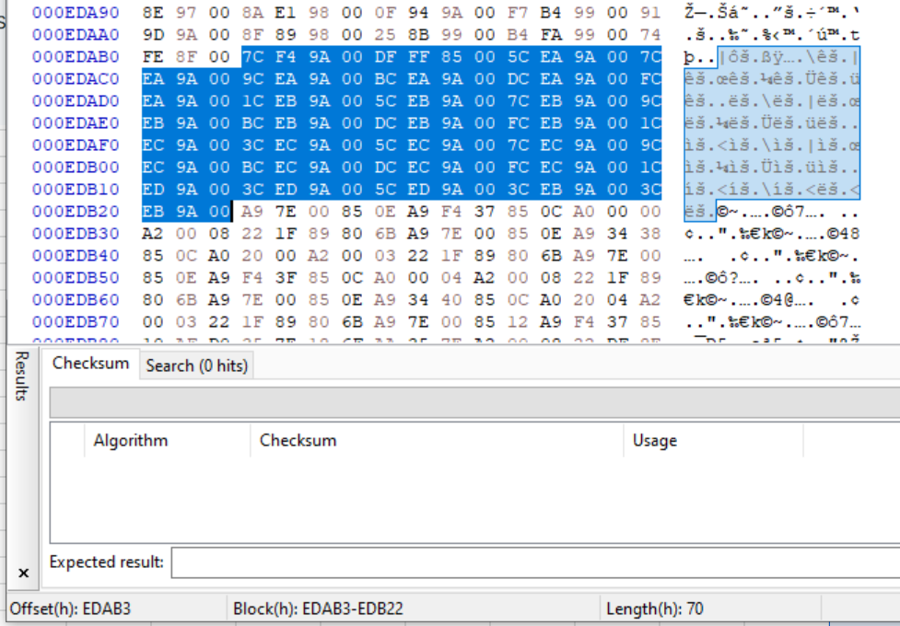
WSH | 0ED713 | ED77B | ED913 | ED97B | VAN | 0D6D1C | D6D3C | D6F1C | D6F3C
WPG | 0ED77B | ED7E3 | ED97B | ED9E3 | WSH | 0D6D3C | D6D5C | D6F3C | D6F5C
ASE | 0ED7E3 | ED84B | ED9E3 | EDA4B | WPG | 0D6D5C | D6D7C | D6F5C | D6F7C
ASW | 0ED84B | ED8B3 | EDA4B | EDAB3 | ASE | 0D6B3C | D6B5C | D6D3C | D6D5C
 |  |  |  |  | ASW | 0D6B3C | D6B5C | D6D3C | D6D5C

Team Select Logos
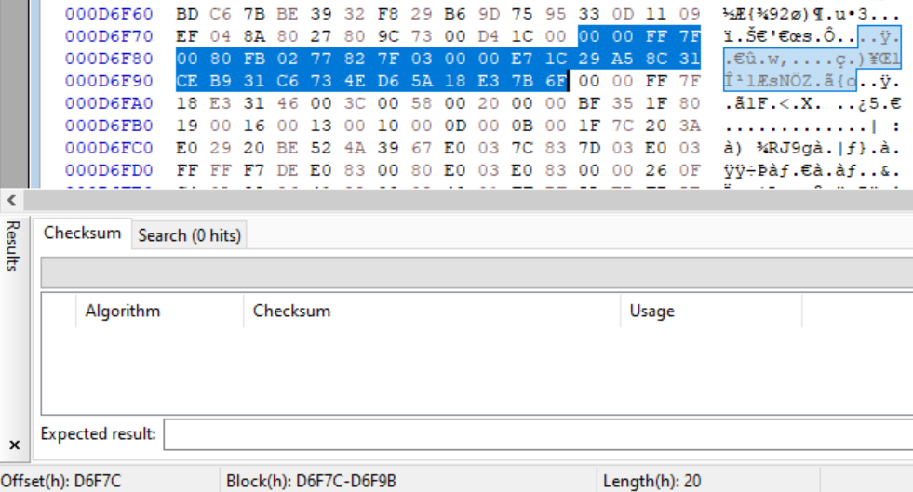
 | Headerless ROM |  | ROM With Header
Team/Logo | Offset Start | Offset End | Offset Start | Offset End
BOS | D6D7C | D6D9C | D6F7C | D6F9B
NYI | D6D9C | D6DBC | D6F9C | D6FBC
ANH | D6DBC | D6DDC | D6FBC | D6FDC
DAL | D6DDC | D6DFC | D6FDC | D6FFC
MTL | D6DFC | D6E1C | D6FFC | D701C
E" in EA Sports logo - intro | D6E1C | D6E3C | D701C | D703C
"A" - intro | D6E3C | D6E5C | D703C | D705C
"SPORTS" - intro | D6E5C | D6E7C | D705C | D707C
"ELECTRONIC ARTS" intro | D6E7C | D6E9C | D707C | D709C
NJ | D6E9C | D6EBC | D709C | D70BC
NYR | D6EBC | D6EDC | D70BC | D70DC
OTT | D6EDC | D6EFC | D70DC | D70FC
ASW | D6EFC | D6F1C | D70FC | D711C
ASE | D6F1C | D6F3C | D711C | D713C
PHI | D6F3C | D6F5C | D713C | D715C
banner | D6F5C | D6F7C | D715C | D717C
PIT | D6F7C | D6F9C | D717C | D719C
BUF | D6F9C | D6FBC | D719C | D71BC
QUE | D6FBC | D6FDC | D71BC | D71DC
CGY | D6FDC | D6FFC | D71DC | D71FC
SJ | D6FFC | D701C | D71FC | D721C
STL | D701C | D703C | D721C | D723C
CHI | D703C | D705C | D723C | D725C
TB | D705C | D707C | D725C | D727C
TOR | D707C | D709C | D727C | D729C
VAN | D709C | D70BC | D729C | D72BC
WsH | D70BC | D70DC | D72BC | D72DC
WIN | D70DC | D70FC | D72DC | D72FC
NHL | D70FC | D711C | D72FC | D731C | Each menu logo contains 32 values.
NHLPA | D711C | D713C | D731C | D733C | 00 00 FF 7F
DET | D713C | D715C | D733C | D735C | 00 80 FB 02 77 82 7F 03 00 00 E7 1C 29 A5 8C 31
banner | D715C | D717C | D735C | D737C | CE B9 31 C6 73 4E D6 5A 18 E3 7B 6F
banner | D717C | D719C | D737C | D739C | Rewriting all of them to 00 makes the whole logo black. So far I have found values 95, 96 and 99 the most accurate to the yellowish brownish background colors. Location with palettes for the menu logos background colors would make editing menu logos much easier, have no idea where these palettes are located though.
banner | D719C | D71BC | D739C | D73BC
EDM | D71BC | D71DC | D73BC | D73DC
Teams/Players | D71DC | D71FC | D73DC | D73FC
banner | D71FC | D721C | D73FC | D741C
banner | D721C | D723C | D741C | D743C
banner | D723C | D725C | D743C | D745C
banner | D725C | D727C | D745C | D747C
FLA | D727C | D729C | D747C | D749C
banner | D729C | D72BC | D749C | D74BC
banner | D72BC | D72DC | D74BC | D74DC
banner | D72DC | D72FC | D74DC | D74FC
HFD | D72FC | D731C | D74FC | D751C
banner | D731C | D733C | D751C | D753C
LA | D733C | D735C | D753C | D755C

Team Data Example
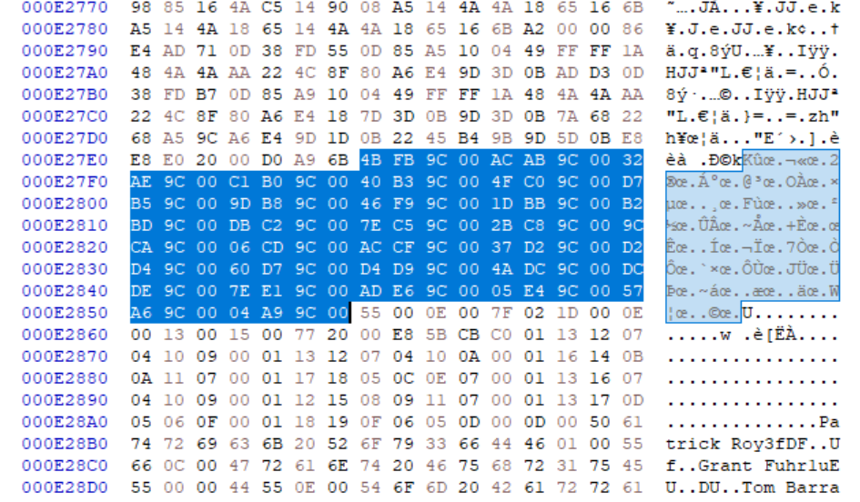
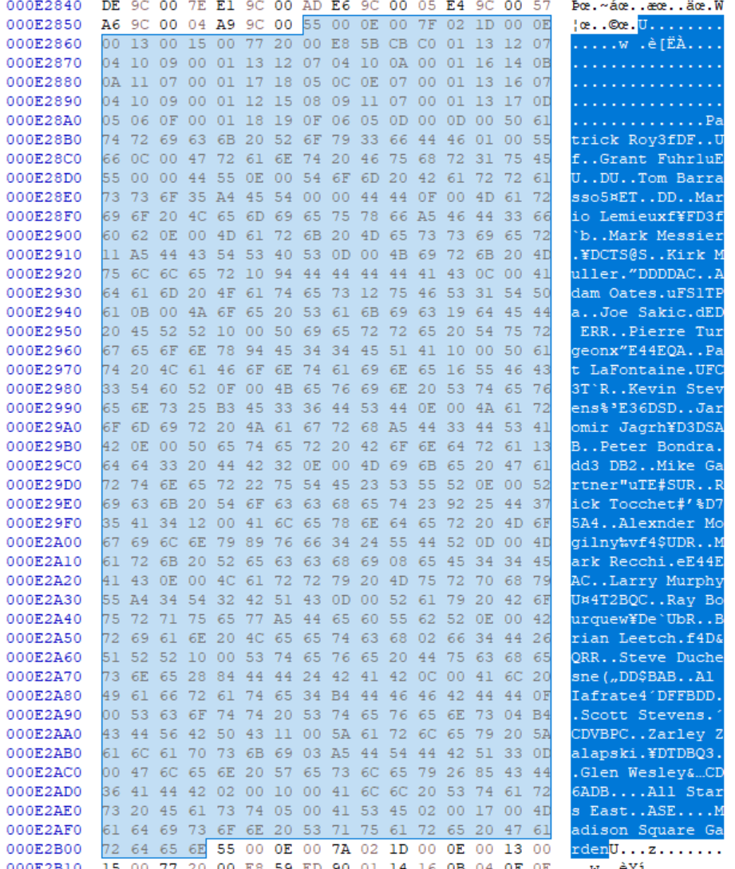
TEAM DATA
Team | Data Order | Start | End | ignore e | -200 h | if<8000 h, +8000 h | Reversed Pointer Value in ROM | Team Pointer Offset | TEAM BYTES INCLUDING U…...... (Decimal) | TEAM Data BYTES (Decimal) | Example Team Data
ANA | 28 | E7D4B | E7F54 | 7D4B | 7B4B | FB4B | 4BFB | E27E7 | 521 | 434
BOS | 3 | E2DAC | E3031 | 2DAC | 2BAC | ABAC | ACAB | E27EB | 645 | 558
BUF | 4 | E3032 | E32C0 | 3032 | 2E32 | AE32 | 32AE | E27EF | 654 | 567
CGY | 5 | E32C1 | E353F | 32C1 | 30C1 | B0C1 | C1B0 | E27F3 | 638 | 551
CHI | 6 | E3540 | E37D6 | 3540 | 3340 | B340 | 40B3 | E27F7 | 662 | 575
DAL | 11 | E424F | E44DA | 424F | 404F | C04F | 4FC0 | E27FB | 651 | 564
DET | 7 | E37D7 | E3A9C | 37D7 | 35D7 | B5D7 | D7B5 | E27FF | 709 | 622
EDM | 8 | E3A9D | E3D1C | 3A9D | 389D | B89D | 9DB8 | E2803 | 639 | 552
FLA | 27 | E7B46 | E7D4A | 7B46 | 7946 | F946 | 46F9 | E2807 | 516 | 429
HFD | 9 | E3D1D | E3FB1 | 3D1D | 3B1D | BB1D | 1DBB | E280B | 660 | 573
L.A | 10 | E3FB2 | E424E | 3FB2 | 3DB2 | BDB2 | B2BD | E280F | 668 | 581
MTL | 12 | E44DB | E477D | 44DB | 42DB | C2DB | DBC2 | E2813 | 674 | 587
NJ | 13 | E477E | E4A2A | 477E | 457E | C57E | 7EC5 | E2817 | 684 | 597
NYI | 14 | E4A2B | E4C9B | 4A2B | 482B | C82B | 2BC8 | E281B | 624 | 537
NYR | 15 | E4C9C | E4F05 | 4C9C | 4A9C | CA9C | 9CCA | E281F | 617 | 530
OTT | 16 | E4F06 | E51AB | 4F06 | 4D06 | CD06 | 06CD | E2823 | 677 | 590
PHI | 17 | E51AC | E5436 | 51AC | 4FAC | CFAC | ACCF | E2827 | 650 | 563
PIT | 18 | E5437 | E56D1 | 5437 | 5237 | D237 | 37D2 | E282B | 666 | 579
QUE | 19 | E56D2 | E595F | 56D2 | 54D2 | D4D2 | D2D4 | E282F | 653 | 566
SJ | 20 | E5960 | E5BD3 | 5960 | 5760 | D760 | 60D7 | E2833 | 627 | 540
STL | 21 | E5BD4 | E5E49 | 5BD4 | 59D4 | D9D4 | D4D9 | E2837 | 629 | 542
T.B | 22 | E5E4A | E60DB | 5E4A | 5C4A | DC4A | 4ADC | E283B | 657 | 570
TOR | 23 | E60DC | E637D | 60DC | 5EDC | DEDC | DCDE | E283F | 673 | 586
VAN | 24 | E637E | E6604 | 637E | 617E | E17E | 7EE1 | E2843 | 646 | 559
WSH | 26 | E68AD | E6B4C | 68AD | 66AD | E6AD | ADE6 | E2847 | 671 | 584
WPG | 25 | E6605 | E68AC | 6605 | 6405 | E405 | 05E4 | E284B | 679 | 592
ASE | 1 | E2857 | E2B03 | 2857 | 2657 | A657 | 57A6 | E284F | 684 | 597
ASW | 2 | E2B04 | E2DAB | 2B04 | 2904 | A904 | 04A9 | E2853 | 679 | 592

Legend
 | Team data and team pointer not in same order. These teams are located not back to back with other teams in the ROM

TEAM DATA POINTER TABLE

Game Setup Example
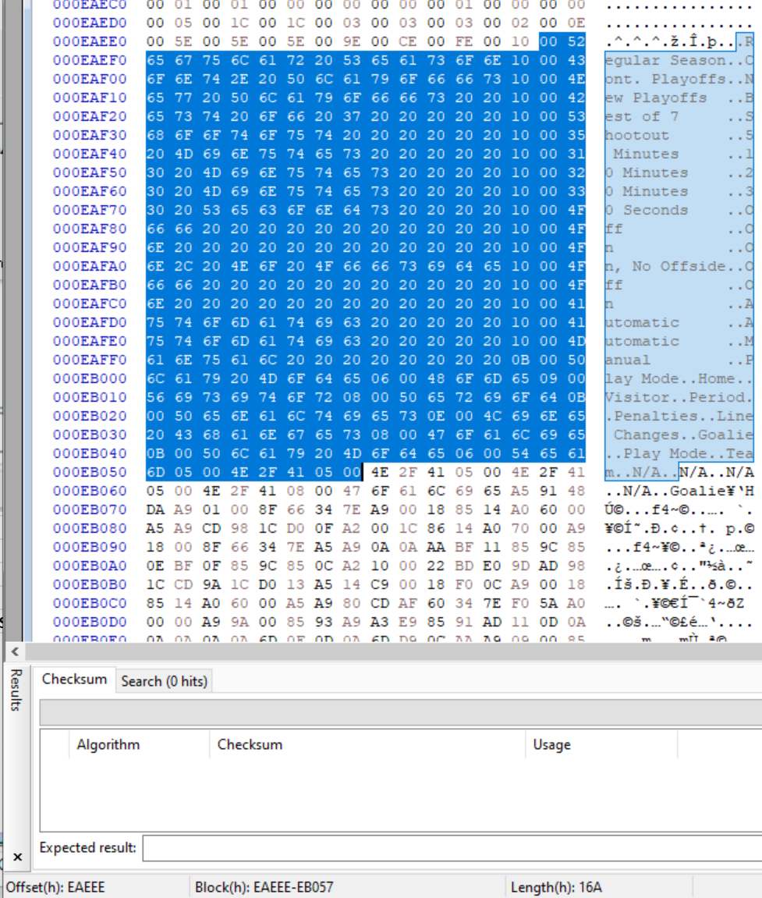
ROM With Header

GAME SETUP SETTINGS
XX 00 XX 00 XX 00 XX 00 XX 00 XX 00 XX 00 XX 00
01 00 03 00 05 00 07 00 09 00 11 00 13 00 15 00
 |  | 01 00 - GAME MODE ON START |  | 03 00 05 00 - TEAM SELECTION ON START |  |  |  | 07 00 - PERIOD LENGTH ON START |  | TOTAL SELECTABLE TEAMS (XX 00 Home, XX 00 Away)
Offset Start | Offset End | Reg Season | 00 | 03 00 Home |  |  |  |  |  | 1C = 28
E9EC2 | E9ED1 | Cont Playoffs | 01 | 04 00 Away
 |  | New Playoffs | 02 |  | Team Code |  | Team Code | 5 min | 00 | Offset Start | Offset End
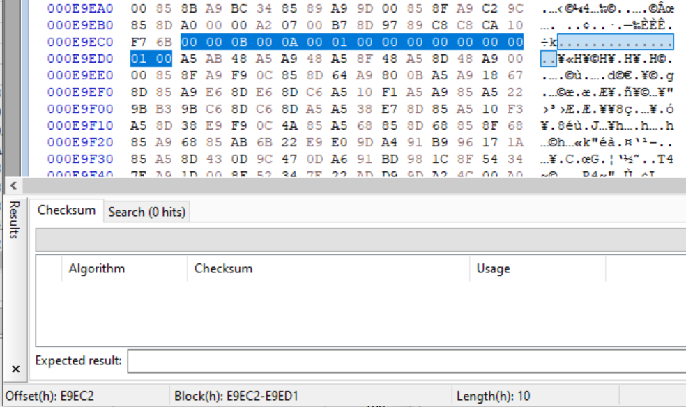
 |  | Best of Seven | 03 | ANA | 00 | NYR | 0E | 10 min | 01 | EAED3 | EAED6
 |  | Shootout | 04 | BOS | 01 | OTT | 0F | 20 min | 02
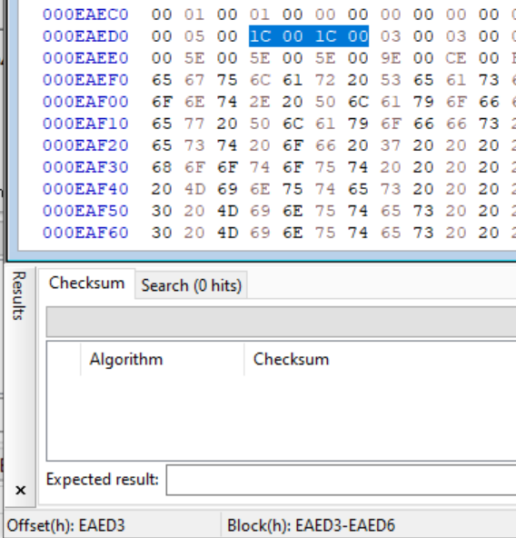
 |  |  |  | BUF | 02 | PHI | 10
 |  |  |  | CGY | 03 | PIT | 11
 |  |  |  | CHI | 04 | QUE | 12 | 09 00 - PENTALTIES ON START
 |  |  |  | DAL | 05 | SJ | 13 | OFF | 00
 |  |  |  | DET | 06 | STL | 14 | ON | 01
 |  |  |  | EDM | 07 | T.B | 15 | ON, No Offsides | 02
 |  |  |  | FLA | 08 | TOR | 16
 |  |  |  | HFD | 09 | VAN | 17
 |  |  |  | L.A | 0A | WSH | 18 | 11 00 - LINE CHANGES ON START
 |  |  |  | MTL | 0B | WPG | 19 | Off | 00
 |  |  |  | NJ | 0C | ASE | 1A | On | 01
 |  |  |  | NYI | 0D | ASW | 1B | Automatic | 02

 |  |  |  |  |  |  |  | 13 00 GOALIE CONTROL ON START
 |  |  |  |  |  |  |  | Auto | 00
 |  |  |  |  |  |  |  | Manual | 01

GAME SETUP SETTINGS TEXT

Offset Start | Offset End
EAEEE | EB057

